Rigid body
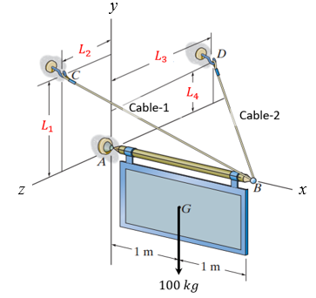
Model no | L1 | L2 | L3 | L4
0 | 1.9 | 0.9 | 2.1 | 1.1
1 | 1.9 | 0.9 | 2.1 | 1
2 | 1.9 | 0.9 | 2 | 0.9
3 | 1.9 | 1 | 2 | 1.1
4 | 1.9 | 1 | 1.9 | 1
5 | 2.1 | 1 | 1.9 | 0.9
6 | 2.1 | 1 | 2 | 1.1
7 | 2.1 | 1.1 | 2 | 1
8 | 2.1 | 1.1 | 2.1 | 0.9
9 | 2.1 | 1.1 | 2.1 | 1.1

Truss
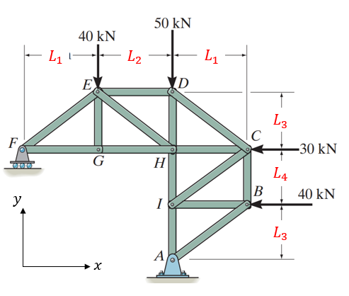
Model no | L1 | L2 | L3 | L4
0 | 2 | 2.5 | 1.5 | 1.5
1 | 2 | 2.5 | 1.5 | 2
2 | 2 | 2.5 | 2 | 1.5
3 | 2 | 2 | 2 | 2
4 | 2 | 2 | 1.5 | 1.5
5 | 2.5 | 2 | 1.5 | 2
6 | 2.5 | 2.5 | 2 | 1.5
7 | 2.5 | 2.5 | 2 | 2
8 | 2.5 | 2 | 1.5 | 1.5
9 | 2.5 | 2 | 1.5 | 2

